US01 - Screen Mock-ups
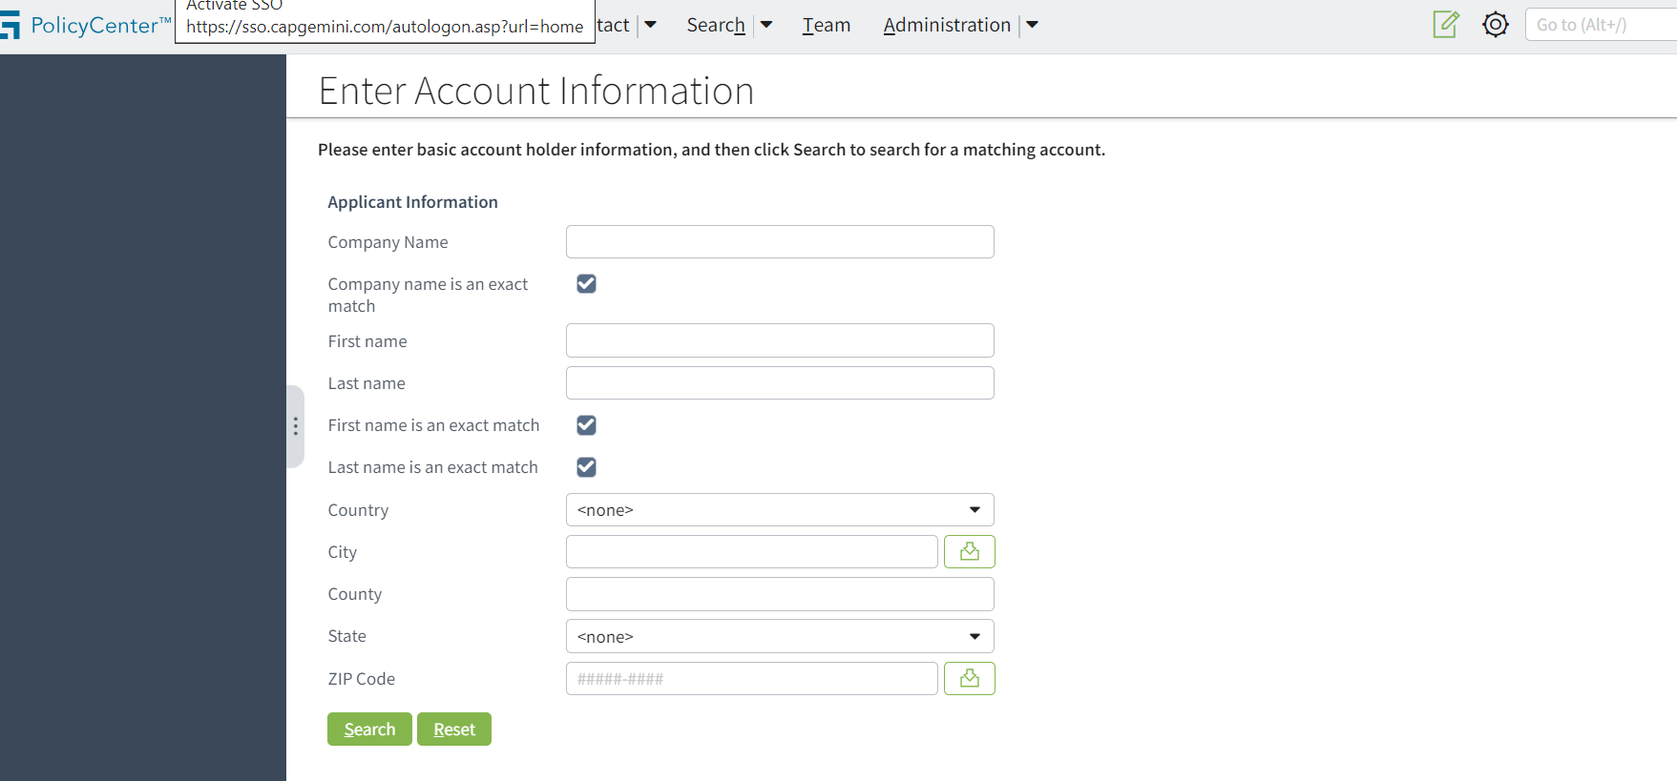
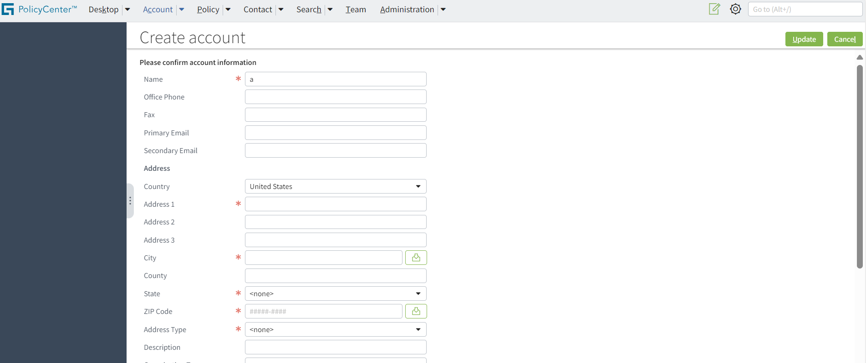
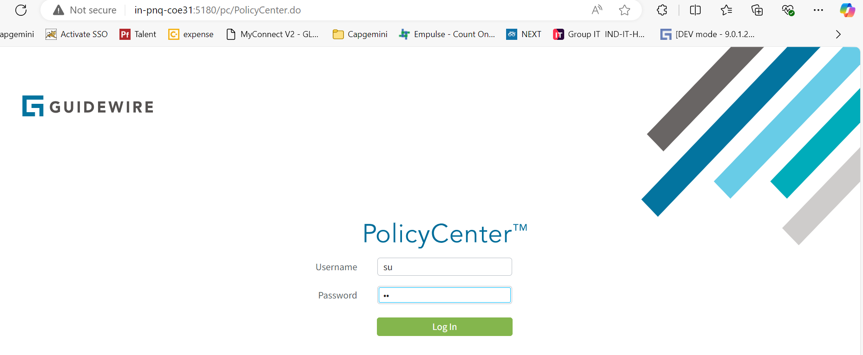

Step1 - Launch GW OOTB URL
Step2 - Username as su
Step3 - Password as gw and click login

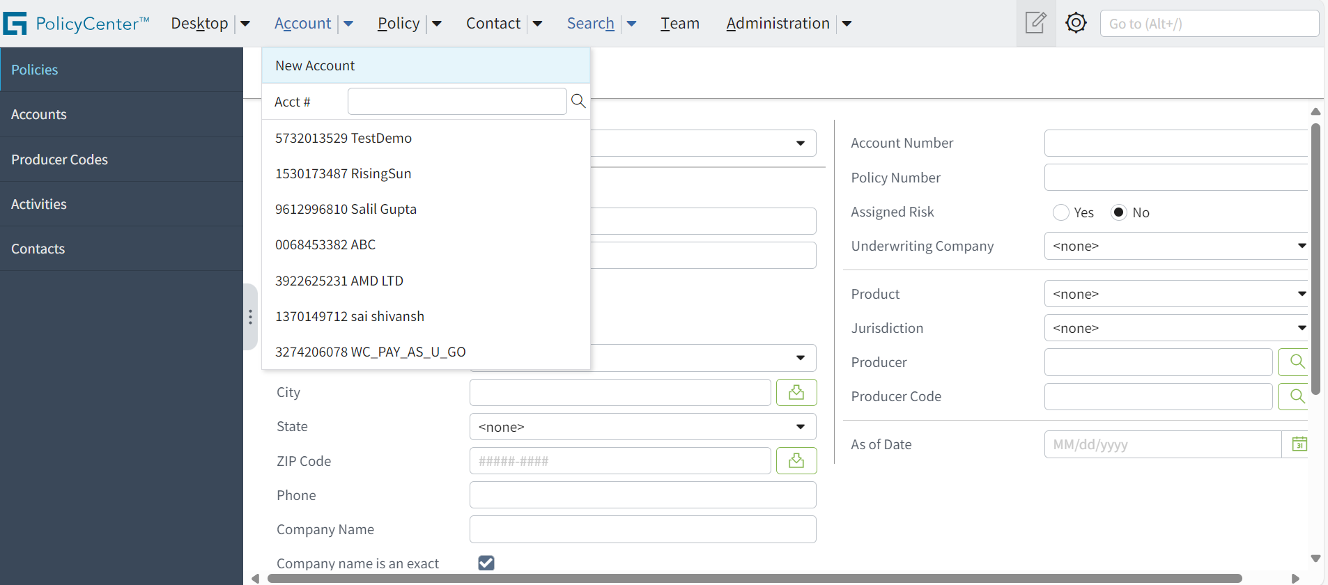

Step1 - Click on "Account"
Step2 - Click o n "New Account"

US02 - Screen Mock-ups
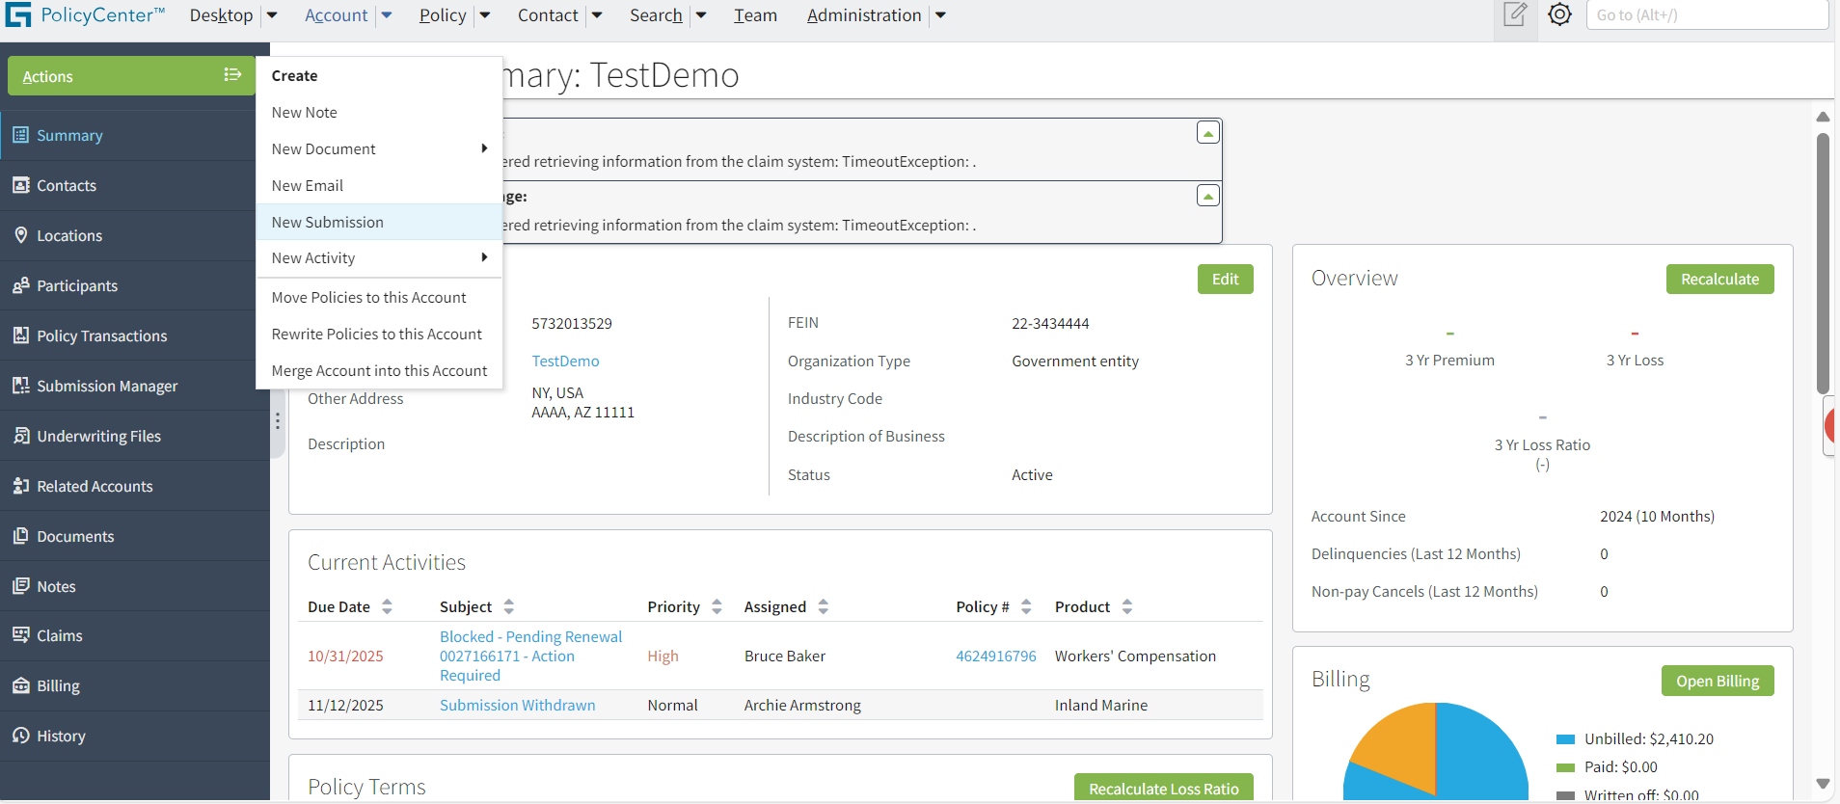

Prerequisite: User already logged in in to GW and have a account
Step1 - Click on "New Submission" from Actions

Select product as "General Liablity"

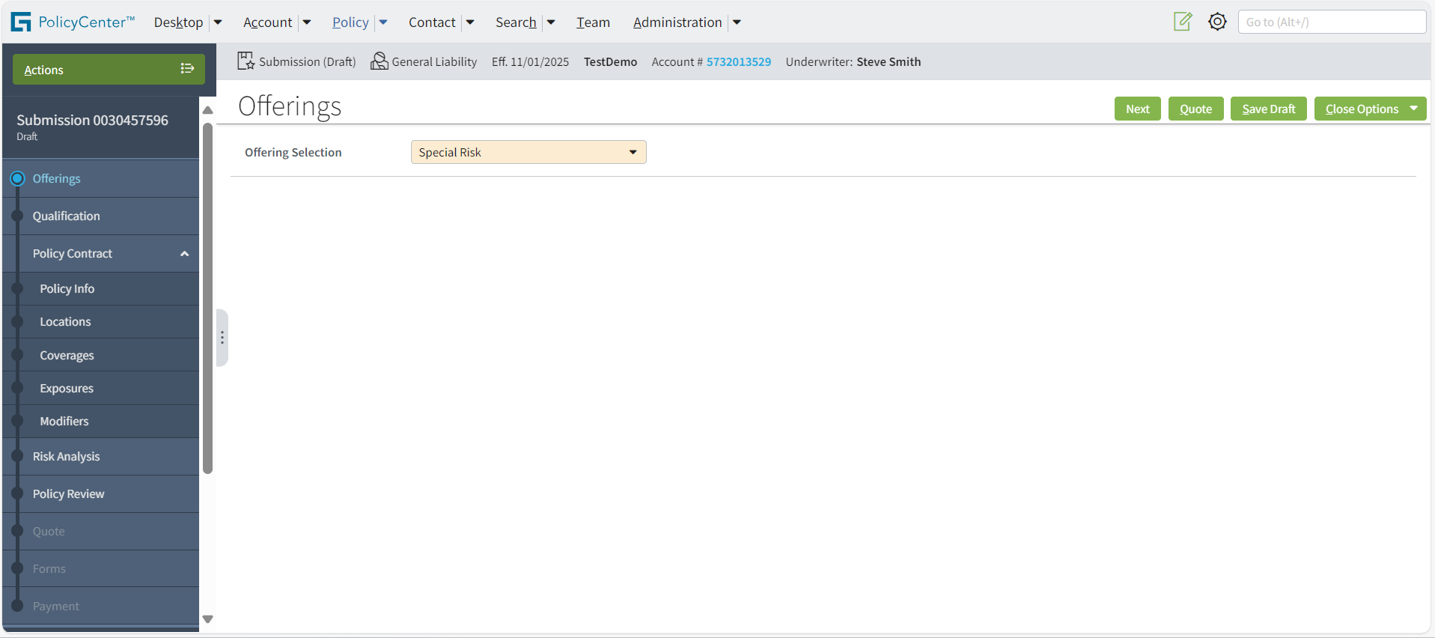

Select Offering as "Special Risk" and click on Next

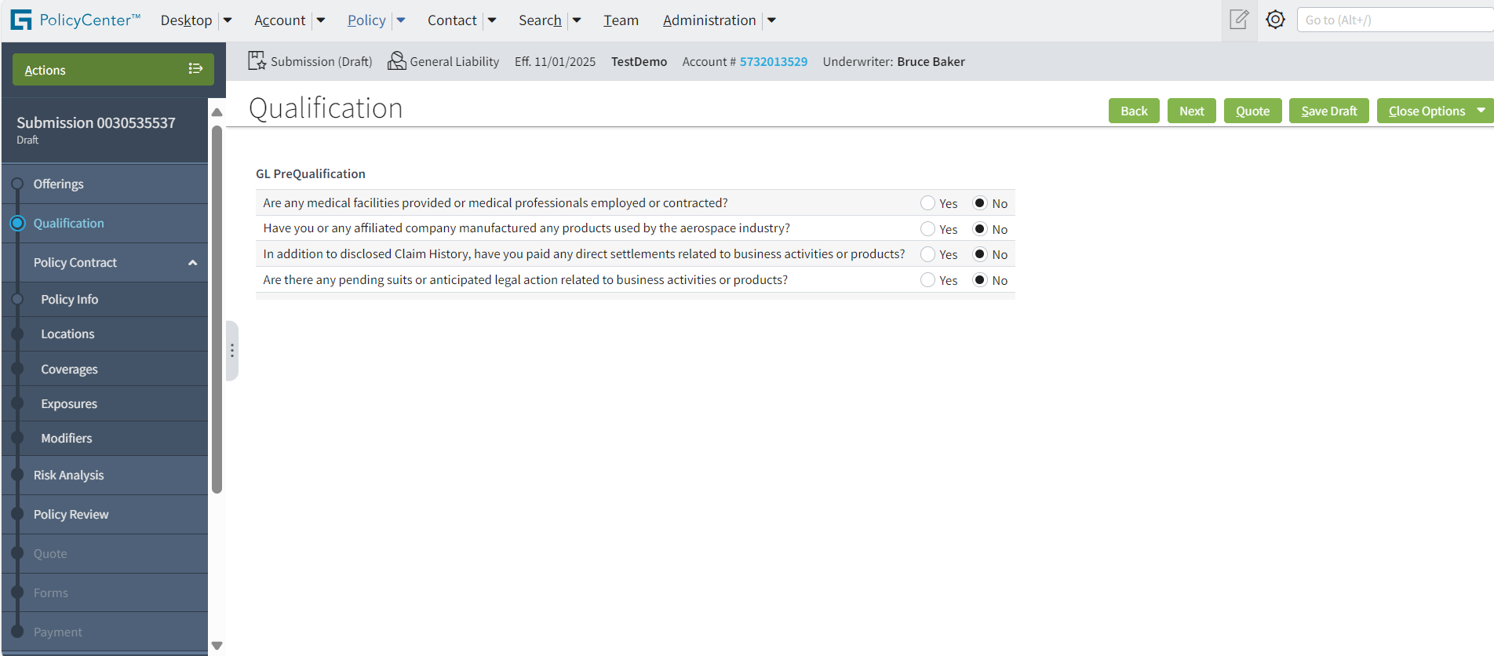

Click on Next

ENter Date quote needed, Estimated Premium

Navigate to Expousers screen

CLick on Add and enter location name class code, Basis, as mentioned in UI and click "Quote"

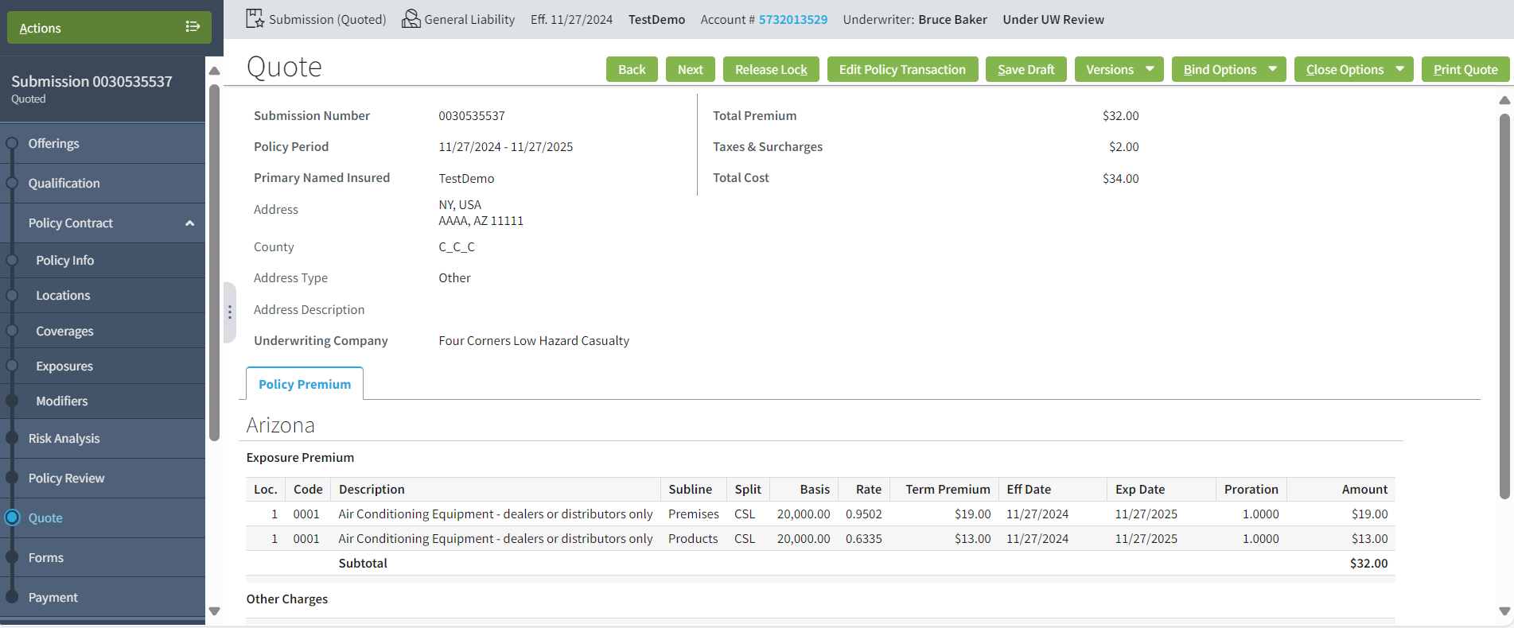

Verify Total premium , Taxes & Total cost

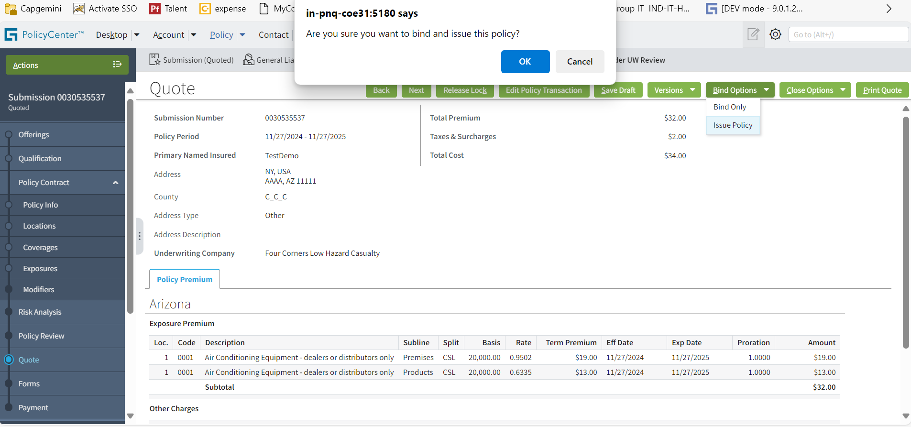

CLick on Bind options -> Issue Policy -> click on OK
Note: Any soft wanring messsage - just ignore

US03 - Screen Mock-ups
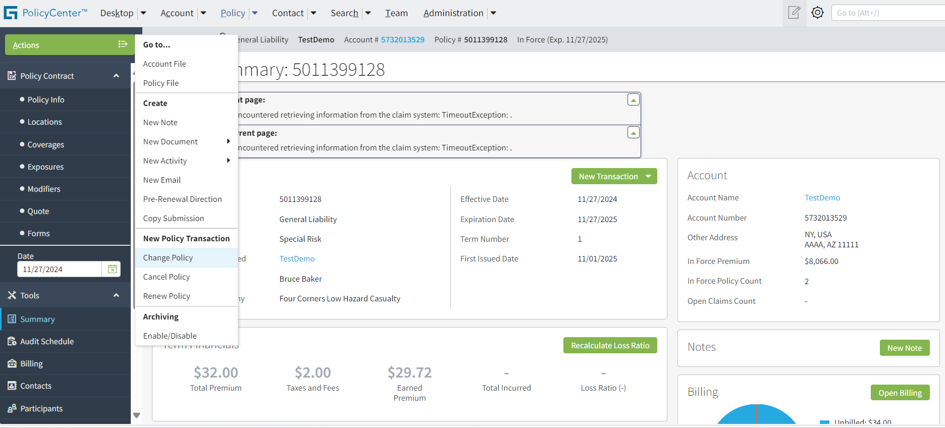

Prerequisite: User already logged in in to GW and should have axtive submission
Step1 - Click on Actions -> Change policy

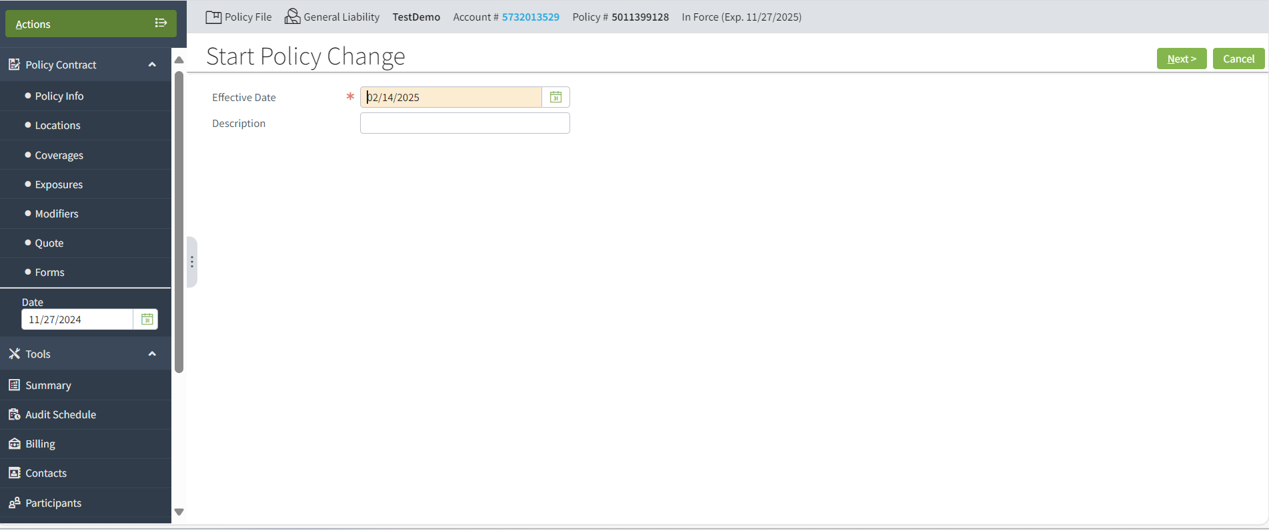

Neagative condition

Neagative condition

Neagative condition

Neagative condition

Enter valid expouser details and clisk on Quote

Veeify total premuim change, tax, total cost and CHange in cost

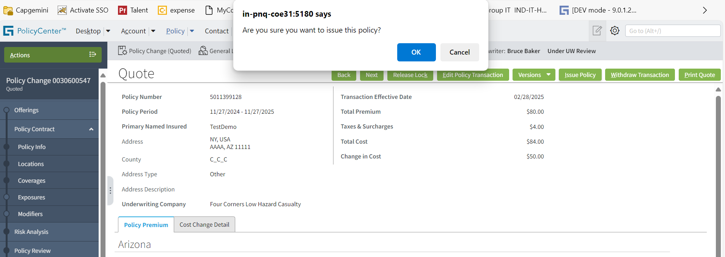

CLick on "Issue Policy" and click ok

